Instructions & Notes
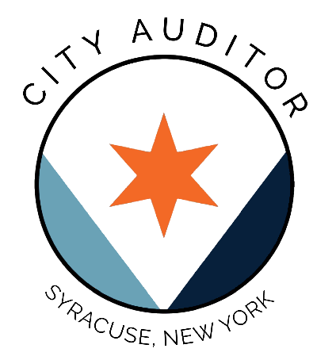

Version 1 City of Syracuse Budget Workbook FY 2020-2024 Actuals FY 2025 Adopted & Estimate FY 2026 Proposed
This document is created by the Office of the City Auditor as a resource for the public and policy makers.

The information in this document is derived from past City budget documents, available at:
https://www.syr.gov/Departments/Budget/City-Budget

Some figures may appear inconsistent with numbers provided in the budget book due to rounding and other mathmatical errors.

Any errors, omissions, and corrections should be directed to the Office of the City Auditor
Please contact us by: Phone at: (315) 448-8477, or Email at: audit@syr.gov

As updates are made, our office will release new versions of this document.

